Table 1
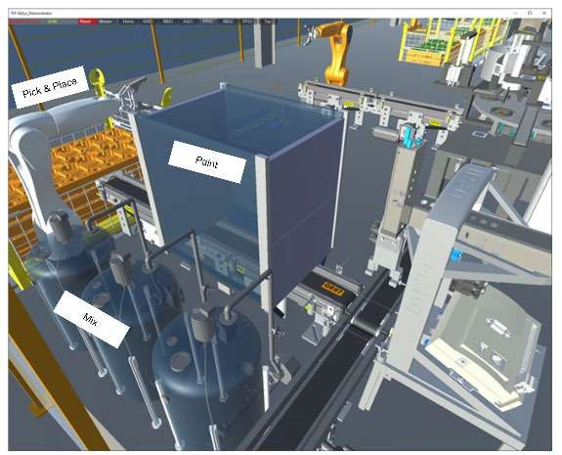
IDTA 02015-1-0 Control Component Type
April 2023
S P E C I F I C A T I O N
Submodel Template of the Asset Administration Shell


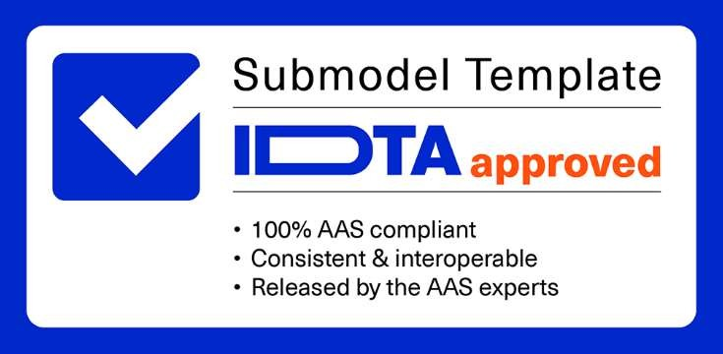

Imprint
Publisher Industrial Digital Twin Association Lyoner Strasse 18 60528 Frankfurt am Main Germany https://www.industrialdigitaltwin.org/ Version history
Date | Version | Comment
2023-04-17 | 1.0 | Release of the official Submodel template published by IDTA.
Contents
1 General 6 1.1 About this document 6 1.2 Scope of the Submodel 6 1.3 Relevant standards for the Submodel template 7 1.4 Use cases 8 1.4.1 Use Case 1: Adaption of Procedures to the Equipment-Specific Skills 9 1.4.2 Use Case 2: Execution of an Equipment- and Skill-Specific Procedure 10 1.5 Requirements 12 1.6 Design Decisions 12 1.6.1 DD1: Mapping of CC-instance-specific and CC-type-specific information in the AAS . 12 1.6.2 DD2: Modelling Skill Error Related Information 12 1.6.3 DD3: Modelling Skill Inheritance 13 1.7 Approach 13 1.8 Cross-AAS Relations

Figures
Figure 1: Using Control Components as Abstract Asset Type 7 Figure 2: Simplified Control Component Metamodel and Profile Description 7 Figure 3: Example Setup and Simple BPMN Process 9 Figure 4: Schematic overview of the orchestrator 11 Figure 5: UML-Diagram for Submodel "ControlComponentType" 15 Figure 6 UML-Diagram for SMC "Skill" 19
Tables
Table 1: Elements of Submodel ControlComponentType 16 Table 2: Elements of SMC “Interfaces” 17 Table 3: Elements of SMC “Errors” 18 Table 4: Elements of SMC "Skill" 19 Table 5: Elements of SMC "Modes" 20 Table 6: Elements of SMC "Parameter" 21
1 General
1.1 About this document This document is a part of a specification series. Each part specifies the contents of a Submodel template for the Asset Administration Shell (AAS). The AAS is described in [1], [2], [3] and [6]. First exemplary Submodel contents were described in [4], while the actual format of this document was derived by the "Administration Shell in Practice" [5]. The format aims to be very concise, giving only minimal necessary information for applying a Submodel template, while leaving deeper descriptions and specification of concepts, structures and mapping to the respective documents [1] to [6]. The Control Component (CC) concept [7] supports the engineering, deployment and orchestration of service- based and component-oriented industry 4.0 automation solutions. The term component in this document refers to a “modular, deployable, and replaceable part of a system that encapsulates implementation and exposes a set of interfaces” (IEV 741-01-11). In general, a physical device, machine or module can be considered as a component as well as software components, e.g. a function block. Both, the control and the component aspect in this document, are meant to be understood in an abstract manner and from a cybernetical viewpoint of the orchestration (process control) of industrial production processes. There are two specifications defining how control component information should be modelled as Submodels: The “Control Component Type” (CCType, IDTA 02015) Submodel to describe control component types and the “Control Component Instance” (CCInstance, IDTA 02016) Submodel to describe their instances. This document specifies the CCType Submodel as template. It also defines common use cases and aspects as well as submodel elements for the CCInstance Submodel. An important concept for this document is the modelling and utilization of capability and skill concepts [8]. A capability is the “implementation-independent specification of a

Figure 1: Using Control Components as Abstract Asset Type As depicted in Figure 1, the CC concept is used to unify terms as an abstraction of a variety of domains, e.g. ranging from pumps, valves, handling robots, conveyors, packaging machines or process modules to PID, MPC or sequence controllers. Hence, the scope of the Submodels is wide regarding the types of assets, which are already covered in their own domain specific standards, e.g. OPC UA Companion Specifications. In return, the Submodels scope is condensed to common aspects of all these assets from different domains by focusing the use case of orchestrating them in a combined setup. Nevertheless, the Submodels will refer to other standards in certain aspects whenever they are applicable to a broad range of domains, e.g the PackML State Machine to define the activity of a CC.
Figure 2: Simplified Control Component Metamodel and Profile Description Although CCs behave different depending on their domain, every CC expresses some form of current status (state variables, parameters, …) and operations (command variables, methods, …) to affect those states at its interface, as modelled on the left side of Figure 2. Otherwise, it could not be used in a process control architecture. An easy explanation is that every control component can be at least told when (start, stop, …) it should perform what. And what is decribed as skills (program, task, operation mode, service, procedure, …) which a control component can perform. The CC Submodels try to grasp that semantic core of a component. A further classification of CCs by so called profiles may be added in the future, as shown on the right side of Figure 2. The profile of a CC describes which features it realizes in terms of standardized facets1. Therefore, a common semantics must be defined first, to classify CCs in an abstract and machine-readable way. For example, execution modes like automatic and manual need to be mapped to the corresponding terms in various standards, in order to describe whether a CC supports such modes and corresponding mode changes. The German VDI/VDE GMA is working on a guideline (FA 7.21 Guideline Control Components) to define this common semantics based on definitions [9] from a funding project (BaSys4.2). 1.3 Relevant standards for the Submodel template The wide scope regarding domains (see section 1.2) leads to many correlated standards for both CC Submodels. Although, often only small parts of these standards are relevant, e.g. their terms for skills, as indicated by the simplified metamodel in Figure 1. In consequence, the following list does not claim to be comprehensive: “PackML”: ISA-TR88.00.02-2008, Machine and Unit States: An Implementation Example of ISA-88.
1 The terms profile and facet are similar to the terms defined in OPC 10000-7, but they describe the features of a CC instead of a OPC UA server.

“MTP”: VDI/VDE/NAMUR 2658 Part 4 - Modelling of module services NAMUR NE160, A Reference Model for Generic Procedure Descriptions, NAMUR, 2016. “OPC UA”: IEC 62541OPC Unified Architechture. Especially some companion specifications and rather the standards they are derived from, e.g.: o “ISA95JOBCONTROL”: OPC 10031-4 - UA Companion Specification for ISA-95 Job Control o “PackML”: OPC 30050 - UA for PackML (OMAC) o “MTConnect”: OPC 30070-1 - UA for MTConnect, Part 1: Device Model o “PADIM”: OPC 30081 - Process Automation Devices o „Machinery”: OPC 40001-1 - UA CS for Machinery Part 1 - Basic Building Blocks o “Robotics”: OPC 40010-1 - UA for Robotics, Part 1: Vertical Integration o …
Due to the abstract character of this template a huge overlap with these and other existing standards occurs. Thus, it is recommended to use the more specific standards or models if possible. For example, a modular chemical plant can be engineered and operated using only the VDI/VDE/NAMUR MTP standards and respective Submodels. But, if such an MTP process module is used in a manufacturing context, e.g. together with a packaging and handling machine, the abstract CC Submodel helps to integrate those different standards, e.g. it is possible to check available skills with their error codes and their endpoints in a unified way. This is especially useful for small and middle-sized companies or when the orchestration doesn’t need to consider the domain specific characteristics of the CC. 1.4 Use cases In the following two use cases regarding the orchestration of control components are described. Therefore, the following assumptions apply: Service oriented architecture – production resources (machines, robots, modules, …) offer their capabilities as implemented skills via network interfaces. Orchestration – in order to produce a product, the correct skills of these production resources have to be triggered at a certain time with the right parameters. Procedures – the sequence of these skill calls (in MTP defined as service calls) is determined by a procedure, which is developed in an „engineering phase” and instantiated at a „execution phase”, typically triggered by a manufacturing execution system (MES). BPMN: the procedures are depicted in Business Process Modelling and Notation (BPMN), a standard of the OMG (Object Management Group) (https://www.omg.org/spec/BPMN/). Nevertheless, the concepts are applicable to any other procedure language, e.g. Sequential Function Charts. It is shown, how the engineering and execution of these procedures in a mixed machine setup is supported by the control component Submodels.

Paint Product
Robot.
PickAndPlace (1)
PackML- Machine. Paint(10s)
Product Painted
Module. Mix(#0074ff)
Figure 3: Example Setup and Simple BPMN Process A simple procedure to orchestrate the considered process may be sketched as a BPMN process, shown in Figure 3 right. The service tasks typically represent roles or requests. The procedure is similar to a general recipe in IEC 61512 (ISA 88), that needs to be transferred into a master recipe. In the future, the procedure could be derived from a capability oriented automatic engineering process [8].
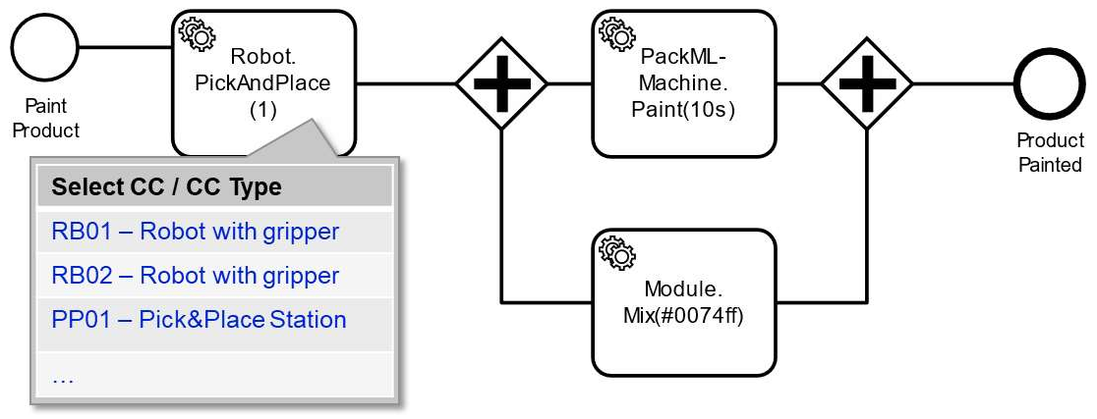 1.4. 1 Use Case 1: Adaption of Procedures to the Equipment- Specific Skills As-is situation The adaptation and extension of an equipment-dependent orchestration processes (Figure 3, right) to the specific skills offered by the equipment, is typically carried out by hand, especially in a mixed setup of components from different vendors or domains. It requires the retrieval of information from different sources, e.g. a manual of the vendor, the specification for the equipment, the equipment integrator and even other Submodels and OPC UA servers. The required information typically includes the name and parameters of the offered skills, interface specification (in the example: MTP, PackML, OPC 40010-1), endpoint addresses, possible error-codes, etc. The way this information is provided varies based on the manufacturer and technology. Therefore, it can only be retrieved in an equipment-specific or a domain-specific way. To-be situation Relevant information for the orchestration is provided in a standardized way starting from the CC Submodels. An engineering tool can find available CCs or CC types, e.g. querying the AAS registry for CCType/Instance Submodels using their semantic id. As shown in the figure below, a selection for the available equipment could be displayed in the engineering tool. Moreover, this could be supported or automated via capabilities (e.g. show all CCs that realize capability XY).

Table 2
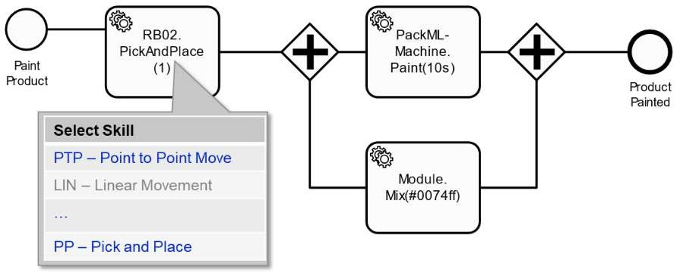 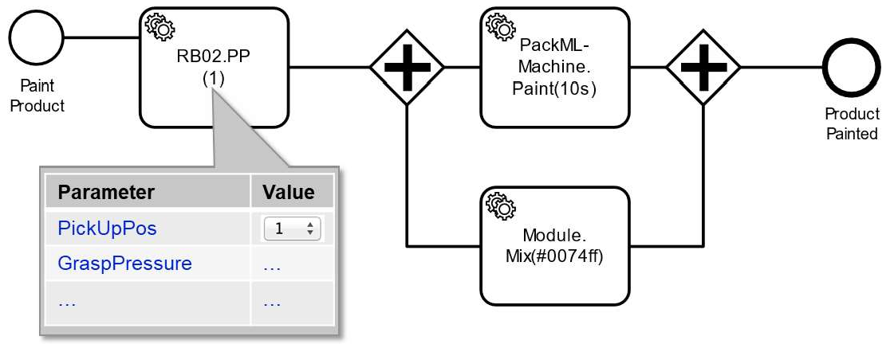 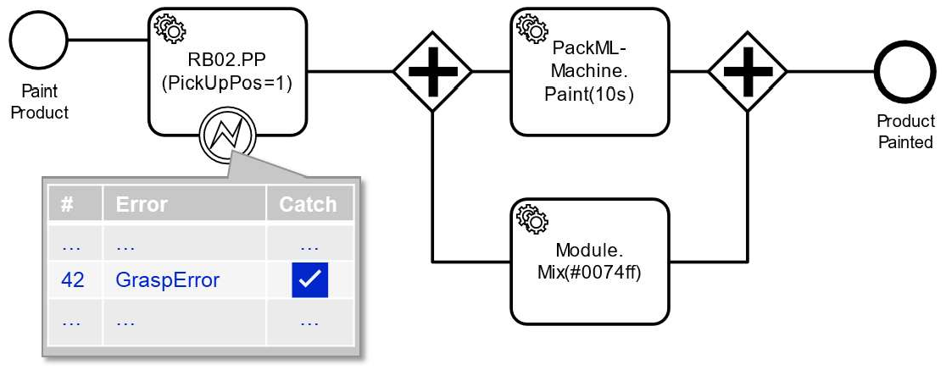 An engineering tool may display available skill (and CC configuration) parameters, with their datatypes and valid values, as shown to the right. The semantics of the skills and their parameters should be added via a capability Submodel for automated matching processes. Additionally, references from a human readable documentation Submodel can be added. | If a CC or CC type is selected, the endpoint of its AAS (or the Submodel directly) can be retrieved to provide more detailed information. An engineering tool may display available skills for the selected CC type (e.g. PTP and LIN) and/or instance (e.g. PP) as presented on the left. The Submodels also provide information like the display name and disabled skills (e.g. LIN). An engineering tool may display error codes that could appear during the execution of a specific skill. This information can be used during engineering for the development of exception handling processes (similar to try…catch statements). Additionally, such information can also be

changed and retrieved during runtime, e.g. if an operation mode has to be disabled or to obtain a detailed description of an occurring error. In the case of errors, it also serves as a basis for implementing more complex applications such as root cause analysis or predictive maintenance.
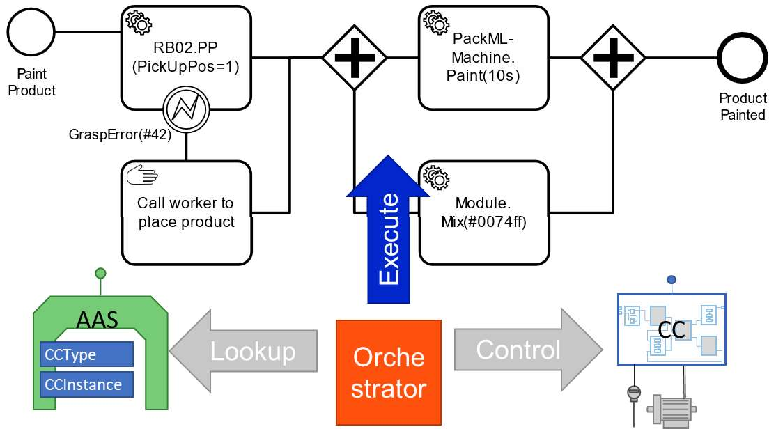 1.4. 2 Use Case 2: Execution of an Equipment- and Skill- Specific Procedure It is assumed that an orchestrator shell executes an instance of a procedure. The orchestrator may be a software process, a part of the control system (e.g. as sequential function chart), etc. The instantiation (aka. the order to produce a product according to the procedure) is typically triggered by an MES, a recipe (batch) system or an operator. As-is situation Typically, orchestration processes are statically engineered into an execution system, e.g. as a sequential function chart, that is downloaded to a process control system or a single programmable logic controller. Moreover, the communication is statically linked to endpoints of the used functionalities (skills) via fieldbus or network addresses and specific protocols. It is not possible to get information about the control endpoints and instance specific skills in a standardized, machine-readable way, e.g. to check their connection and assist or automate the engineering process in advance (classic engineering) or during the execution of the process (continuous engineering or adaption during runtime). It is often not possible to obtain the information during (virtual) commissioning or maintenance, especially, if the controlled production resources (CCs) only present
their information at runtime, e.g. via an OPC UA server on the machine. Hence, a dynamic change of a procedure or the production resources forces a manual adaption of these orchestrator processes. To-be situation
Figure 4: Schematic overview of the orchestrator An orchestrator can check whether all CCs (requested for a specific procedure) are known and desired protocols as well as security profiles are supported using AASs in a standardized way - even for components of different technical or process domains via the CCType Submodel. The orchestrator is able to check this information, even if the CC is currently not available, e.g. it is not turned on, not connected to the network or not configured yet. As depicted in Figure 4, the orchestrator can lookup the information in a standardized way and control the CC (connect, occupy, reset, select skill, set parameter, start, etc.) when it gets available to execute a given procedure obtained in the previous use case. Therefore, the orchestrator will 1. lookup AAS and Submodel endpoints via an AAS Registry and 2. check CC interface and skill descriptions in the CCType Submodel. Afterwards, the orchestrator can check whether it can connect to an endpoint of the CC and whether the profile is supported, e.g. the orchestrator understands a specific OPC UA companion specification, via the CCInstance Submodel. Otherwise, adapters or gateways need to be used or generated, which is supported by referencing different connection standards to the CCs (e.g. MTP, OPC UA PackML CS, OPC UA for Robotics CS, …). Moreover, the orchestrator can use the information about the endpoint to discover more network or domain specific information about the specific CC instance, e.g. via mDNS, browsing an OPC UA server, querying the device via a fieldbus protocol (e.g. HART telegram), when they are already connected, configured and online. Summing up, the orchestrator is able to look up the following information dynamically during execution of the procedure or in advance in a standardized way: endpoint, protocol, profile, skills and their parameters. In consequence, the orchestrator is able to ada

1.5 Requirements R1: The Submodels are used in a descriptive way. The execution (calling of skills) is handled directly by addressing the CC with its domain specific interfaces. R2: CC specific information required for the engineering of orchestration processes (endpoint address, CC profile, etc.) according to the use cases is stored in a standardized way in an AAS Submodel. R3: Type specific information is managed separately from instance-specific information in the AAS, so that the Submodels can be handled independently by component manufacturers and users. R4: It is possible to define instance-specific skills. Component users or integrators can extend the core services offered by a component type for a given application, e.g. implementing an application specific program in a robot controller. R5: Only minimum necessary information for the use cases should be modelled to prevent redefinition of existing standards. Existing information in an AAS should be referenced, if applicable, e.g. Asset Interface Description Submodel. 1.6 Design Decisions
1.6. 1 DD1: Mapping of CC-instance-specific and CC-type- specific information in the AAS Alternatives: 1) Use of one AAS Submodel for the complete description of CC information. This Submodel contains type-specific information if the AAS is of the kind “type” and instance-specific information if the AAS is of the kind “instance”. 2) At least two AAS Submodels are used for the description of CC information. One Submodel is used for the description of type-specific information and the other for the description of instance-specific information. Decision: Alternative 2. Advantages - It is possible to host type-specific and instance-specific information either in the same AAS or in different AASs. For example, the CCInstance Submodel can be hosted in the plant owner network (as part of a digital product catalog) and the CCType Submodel in the component vendor network. - The separation of the Submodels in different networks allows the component vendor to update type information during the life cycle of the component. This can be e.g. the activation or adjustment of the skills offered by the component. - Instance-specific information that change during the component life cycle can be updated in the respective AAS Submodel separately from the type-specific information. - The elements of the Submodel are different for types and instances of CCs. One Submodel (alternative 1) would have many optional elements, whereas in alternative 2 most elements can be defined mandatory for types and instances separately. Hence, an application using the Submodels, knows what to expect if it retrieves type or instance information.
1.6. 2 DD2: Modelling Skill Error Related Information Alternatives: 1) Detailed error code information is stored under each skill e.g. as Multi Language Properties (MLP). In each case, only the information about the errors that can occur in a skill is stored. 2) All detailed error code information is stored in the CCType model as a collection of MLP. Each skill contains a reference to its related errors. Decision: Alternative 2 Advantages
- All error related information is stored in the same AAS Submodel and can be more easily updated or changed. - Reduces the redundancy of information, since the information is contained only in the type-specific AAS Submodel. - A complete list of all possible errors can be retrieved without browsing all skills.
1.6. 3 DD3: Modelling Skill Inheritance The skills of a CC can be either type or instance specific. There are multiple alternatives to model this information. Alternatives: 1) The CCType Submodel contains information about the original type-specific skills of the CC defined by the component vendor. The component owner of the CC copies this information in the CCInstance Submodel. If needed, the component owner can change information about the original type-specific skills information or define new instance-specific skills in the CCInstance Submodel. 2) The information about the original type-specific skills of the CC defined by the component vendor is stored only in the CCType Submodel. If the component owner needs to adapt some of these skills, he can define them as new instance-specific skills or overwrite them by using the same skill name. Only instance-specific skills are stored in the CCInstance Submodel. Decision: Alternative 2 Advantages - Reduces the duplication of data. - When changing a type-specific skill, this only has to be announced at one place, the CCType Submodel. 1.7 Approach As defined in section 1.1, two serializable (type 1) AAS Submodels for the CC are in focus: CCType: Defines type-specific information, it can use the component type as asset, or it may directly embed in the instance of the CC. CCInstance: Defines instance-specific information. It uses the instance of the CC as asset. The link between these two Submodels is defined by a reference with the name “Type” in the CCInstance AAS Submodel. This reference points to the corresponding CCType AAS Submodel. 1.8 Cross-AAS Relations A direct relation exists between CCInstance and CCType Submodel, as stated in section 1.7: “Type”. Other Submodels that may have a direct relation are (without any claim to be comprehensive): Handover Documentation (IDTA 02004): to link error codes to a detailed description. Asset Interface Descrip

1.9 Semantic IDs For the semantic IDs in this document the generic prefix ‘https://admin-shell.io/idta/ControlComponent’ is used. The ids are documented in the https://github.com/admin-shell-io/id repository. In the future, the currently proposed guideline for control components (VDI/VDE GMA Fa 7.21) might be referenced directly or indirectly via the identifier documentation in the admin-shell-io/id repository. Of course, existing IDs are referred to, where applicable, e.g. to reference an interface from the Asset Interface Description Submodel.
2 Submodel and Collections
2.1 Approach To specify a reliable structure, SubmodelElementCollections are usually mandatory, even if they are empty. This way, an application only needs to check the contained values without additionally checking the presence of the container object. For example, an empty collection of skills indicates that there are no skills in the type or instance, but the collection itself is mandatory. 2.2 Elements of the Submodel “ControlComponentType” Figure 6 shows the UML-diagram defining the relevant properties for the type Submodel of a CC. Table 1 describes the details of the Submodel structure.
Figure 5: UML-Diagram for Submodel "ControlComponentType"

Table 6
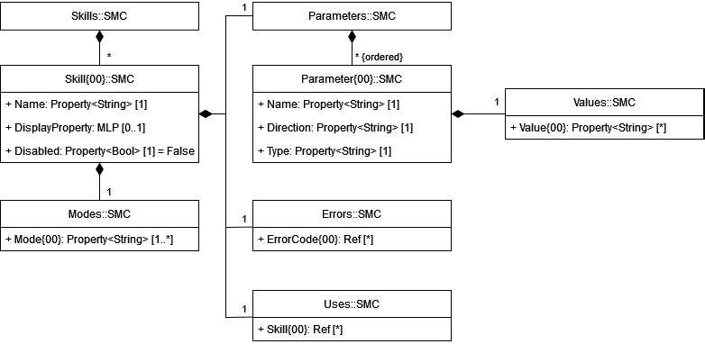
Figure 6 UML-Diagram for SMC "Skill"
Table 4: Elements of SMC "Skill"

idShort: | Skill{00}
Class: | SubmodelElementCollection
semanticId: | [IRI] https://admin-shell.io/idta/ControlComponent/Skill/1/0
Kind: | Instance
Parent: | SubmodelElementCollection “Skills”
Explanation: | Contains the basic information to call (request the execution of) a skill, e.g. its signature
[SME type] | semanticId = [idType]value | [valueType] | card.
idShort | Description@en | example
[Property] Name | [IRI] https://admin- shell.io/idta/ControlComponent/Skill/Name/1/0 Name used to select the skill via its interface | [String] “PICK” | 1
[MLP] DisplayName | [IRI] https://admin- shell.io/idta/ControlComponent/Skill/DisplayName/1/0 Name to display the skill, e.g. in an HMI or GUI | [LangStringSet] “en-us”, “Pick” | 0..1
[Property] Disabled | [IRI] https://admin- shell.io/idta/ControlComponent/Skill/Disabled/1/0 Boolean variable that defines if the skill is (currently) disabled, e.g. not licensed, tested, suitable, …. | [Boolean] False | 1
[SMC] Modes | [IRI] https://admin- shell.io/idta/ControlComponent/Skill/Modes/1/0 | n/a | 1
 | Collection of operation, operating, operational or execution modes (depending on the standard), in which the skill is available/allowed to execute.
[SMC] Parameters | [IRI] https://admin- shell.io/idta/ControlComponent/Skill/Parameters/1/0 Collection of parameters used for the configuration of the skill. | n/a | 1
[SMC] Errors | [IRI] https://admin- shell.io/idta/ControlComponent/Skill/Errors/1/0 Collection of references to the error codes of the component that may be triggered by this skill. | n/a | 1
[SMC] Uses | [IRI] https://admin- shell.io/idta/ControlComponent/Skill/Uses/1/0 Collection of references to other skills, that this skill uses. | n/a | 1

